Group box with buttons
Group Box and Option Buttons

The Group Box is a control that is specifically used to keep Option Buttons together and have them work as a group. To illustrate this, let’s go to a new sheet, and add a nice big Group Box:

1. Click the Group Box on the Forms toolbar
2. Starting at the upper left of cell A3, left click and drag your mouse to cover to the bottom right of D16

Now, add six Option Buttons to the group:

1. Click Option Button and draw it within the Group Box, starting upper left of B4 to lower right of C4
2. Do this 5 more times, on rows 6, 8, 10, 12 and 14
3. Change the names, from top to bottom, to Red, Orange, Yellow, Green, Blue, Purple

Yes, this was a little painful and tedious, but it gives us a way to present our users with choices. What we want to do now is figure out what choice they made, so right click one of the Option Buttons and choose “Format Control”. If you are not already on the Control tab, select it and notice that you can “Uncheck” the option button should you need to. In addition, we have the option to set a Cell Link here, so let’s set that to E3 and say OK.

Before we move on, let’s set up the formula to return the chosen colour. In F3, enter the formula =Index(rngColours,E3).

Now, try selecting on of the option buttons. You should see the colour you’ve chosen show up in F3. I should point out that this has nothing to do with the names you assigned to the buttons, and everything to do with the value you chose. This is why we made sure we named the buttons from top to bottom in the order our list was set.
 | 1
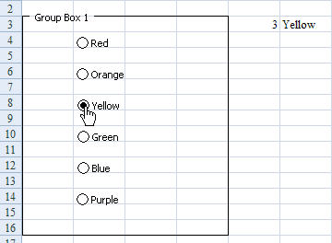

A couple of additional points of interest here:

1. Only one Option Button within the frame can be selected at a time. If you add a button outside the frame, however, it could be selected as well as one from within the frame. Likewise if you have multiple frames… one in each.
2. Only one cell link needed to be set up. This setting affects all option buttons within the frame. right-click the control, and then click Format Control. To set the control properties, do the following: 1. Under Value, specify the initial state of the option button by doing one of the following: * To display an option button that is selected, click Checked. * To display an option button that is cleared, click Unchecked. 2. In the Cell link box, enter a cell reference that contains the current state of the option button. The linked cell returns the number of the selected option button in the group of options. Use the same linked cell for all options in a group. The first option button returns a 1, the second option button returns a 2, and so on. If you have two or more option groups on the same worksheet, use a different linked cell for each option group. Use the returned number in a formula to respond to the selected option. For example, a personnel form, with a Job type group box, contains two option buttons labeled Full-time and Part-time linked to cell C1. After a user selects one of the two options, the following formula in cell D1 evaluates to "Full-time" if the first option button is selected or "Part-time" if the second option button is selected. =IF(C1=1,"Full-time","Part-time") If you have three or more options to evaluate in the same group of options, you can use the CHOOSE or LOOKUP functions in a similar manner.

